1. Title Page
Instacart Grocery Basket Analysis

Project Name: Instacart Grocery Basket Analysis
Date: January, 2025
Analyst Name: Semiha Ali

Contents:
Population Flow
Consistency checks
Wrangling steps
Column derivations
Visualizations
Recommendations

Citations: 1. The Instacart Online Grocery Shopping Dataset 2017, Accessed from www.instacart.com/datasets/grocery-shopping-2017 via Kaggle on 18-02-2024.

2. Population Flow
Title page

Population flow

Exclusion flag
Condition: max_order < 5
Obervations to be removed: 995152
Final total count of order_products_all: 32404859

Orders_products_all
Orders_products_combined
Orders_products_merged

Total:32434489
Total: 32434489
Total:32434489

1.) The grey boxes in the first row of the population flow represent the original data sets as they were when you downloaded them. In the Total fields you need to add the count of the rows when you imported the data set into Jupyter.
2.) The second row of boxes (coloured) represents the data sets after you manipulated them, e.g., removed missing values and duplicates. In the Total fields you need to add the count of the rows after conducting these operations. This offers a visual oveview of how the data flows throughout the data consistency checks.
3.) The third row, where also the arrows are coloured, represents the merges you performed between the datasets. In the Total fields you need to add the count of the rows in the merged datasets, so that you end up with the final dataset (in the red box). Keep in mind the final dataset should be without exclusions (based on the exclusion flag).

3. Consistency checks
 |  |  |  | Title page
Consistency checks

Dataset | Missing values | Missing values treatment | Duplicates
orders | 206209 missing values in 'days_since_prior_order' column | No action was necessary. The missing values indicate either that there were no prior orders for those users or that the data is unavailable for some reason. | No duplicates
products | 16 missing values in 'product_name' collumn | Missing values, constituting less than 5% of the dataset, were removed as their minimal proportion is unlikely to significantly impact the analysis. | 5 duplicates (deleted)
orders_products_prior | No missing values | No action was necessary. | No duplicates
customers | 11259 missing values in 'first_name' column | I replaced missing values with n/a. | No duplicates

4. Wrangling steps
 |  |  |  | Title page
Wrangling steps

Columns dropped | Columns renamed | Columns' type changed | Comment/Reason
eval_set |  |  | Not required
 | order_dow |  | Meaning is unclear.
 |  | order_id | Data type was changed to string.
 | order_hour_of_day |  | Variable is unintuitive name.
 |  | user_id | Data type was changed to string.
 | busiest_day |  | Client changed their mind.They want “Busiest day” to become “Busiest days” (plural)
 | First Name |  | Renamed column for a consistent logic.
 | Surnam |  | Renamed column for a consistent logic.
 | Gender |  | Renamed column for a consistent logic.
 | STATE |  | Renamed column for a consistent logic.
 | Age |  | Renamed column for a consistent logic.
 | n_dependants |  | Renamed column for a consistent logic.
 | fam_status |  | Renamed column for a consistent logic.

5. Column derivations
 |  |  |  | Title page

Column derivations and aggregations

In this tab you should add tables below that the frequences of flags/label variables that you produced after deriving them. NB: don't do this for continuous variables, only for flags.
Dataset | New column | Column/s it was derived from | Conditions
df_ords_prods_merge | price_range_loc | prices | df_ords_prods_merge.loc[df_ords_prods_merge['prices'] > 15, 'price_range_loc'] = 'High-range product' df_ords_prods_merge.loc[(df_ords_prods_merge['prices'] <= 15) & (df_ords_prods_merge['prices'] > 5), 'price_range_loc'] = 'Mid-range product' df_ords_prods_merge.loc[df_ords_prods_merge['prices'] <= 5, 'price_range_loc'] = 'Low-range product'
df_ords_prods_merge | busiest_day | orders_day_of_week | result = [] for value in df_ords_prods_merge["orders_day_of_week"]: if value == 0: result.append("Busiest day") elif value == 4: result.append("Least busy") else: result.append("Regularly busy")
df_ords_prods_merge | busiest_days | orders_day_of_week | result = [] for value in df_ords_prods_merge["orders_day_of_week"]: if value in [0,1]: result.append("Busiest days") elif value in [4,3]: result.append("Two slowest days") else: result.append("Regularly busy days")
df_ords_prods_merge | busiest_period_of_day | time_of_placing_order | result = [] for value in df_ords_prods_merge['time_of_placing_order']: if value == 10 or value == 11 or value == 14 or value == 15 or value == 13 or value == 12 or value == 16 or value == 9: result.append('Most orders') elif value == 17 or value == 8 or value == 18 or value == 19 or value == 20 or value == 7 or value == 21 or value == 22: result.append('Average orders') else: result.append('Fewest orders')
df_ords_prods_merge | max_order | user_id and order_number | df_ords_prods_merge['max_order'] = df_ords_prods_merge.groupby(['user_id'])['order_number'].transform(np.max)
df_ords_prods_merge | loyalty_flag | max_order and user id | df_ords_prods_merge['max_order'] = df_ords_prods_merge.groupby(['user_id'])['order_number'].transform(np.max)ords_prods_merge.loc[ords_prods_merge['max_order'] > 40, 'loyalty_flag'] = 'Loyal customer' ords_prods_merge.loc[(ords_prods_merge['max_order'] <= 40) & (ords_prods_merge['max_order'] > 10), 'loyalty_flag'] = 'Regular customer' ords_prods_merge.loc[ords_prods_merge['max_order'] <= 10, 'loyalty_flag'] = 'New customer'
df_ords_prods_merge | mean_product_price | user_id and prices | df_ords_prods_merge['mean_product_price'] = df_ords_prods_merge.groupby(['user_id'])['prices'].transform(np.mean)
df_ords_prods_merge | spending_flag | mean_product_price and user_id | df_ords_prods_merge['mean_product_price']=df_ords_prods_merge.groupby(['user_id'])['prices'].transform(np.mean) df_ords_prods_merge.loc[df_ords_prods_merge['mean_product_price'] >= 10, 'spending_flag'] = 'High spender' df_ords_prods_merge.loc[df_ords_prods_merge['mean_product_price'] < 10, 'spending_flag'] = 'Low spender'
df_ords_prods_merge | median_days_between_orders | user_id and days_since_prior_order | df_ords_prods_merge['median_days_between_orders'] =df_ords_prods_merge.groupby(['user_id'])['days_since_prior_order'].transform(np.median)
df_ords_prods_merge | order_frequency | user_id and median_days_between_orders | df_ords_prods_merge[['user_id', 'days_since_prior_order', 'median_days_between_orders']] df_ords_prods_merge.loc[df_ords_prods_merge['median_days_between_orders'] > 20, 'order_frequency'] = 'Non-frequent customer' df_ords_prods_merge.loc[(df_ords_prods_merge['median_days_between_orders'] <= 20) & (df_ords_prods_merge['median_days_between_orders'] > 10), 'order_frequency'] = 'Regular customer' df_ords_prods_merge.loc[df_ords_prods_merge['median_days_between_orders'] <= 10, 'order_frequency'] = 'Frequent customer'
small | region | state | small['region'] = 'West' # Set default region # Map states to regions using loc function with mapping small.loc[small['state'].isin(['Maine', 'New Hampshire', 'Vermont', 'Massachusetts', 'Rhode Island', 'Connecticut', 'New York', 'Pennsylvania', 'New Jersey']), 'region'] = 'Northeast' small.loc[small['state'].isin(['Wisconsin', 'Michigan', 'Illinois', 'Indiana', 'Ohio', 'North Dakota', 'South Dakota', 'Nebraska', 'Kansas', 'Minnesota', 'Iowa', 'Missouri']), 'region'] = 'Midwest' small.loc[small['state'].isin(['Delaware', 'Maryland', 'District of Columbia', 'Virginia', 'West Virginia', 'North Carolina', 'South Carolina', 'Georgia', 'Florida', 'Kentucky', 'Tennessee', 'Mississippi', 'Alabama', 'Oklahoma', 'Texas', 'Arkansas', 'Louisiana']), 'region'] = 'South'
merged_df_no_dups | exclusion_flag | max_order | merged_df_no_dups['exclusion_flag'] = merged_df_no_dups['max_order'] < 5
merged_df_no_dups | age_group | age | merged_df_no_dups.loc[merged_df_no_dups['age'] <= 25, 'age_group'] = 'Young Adult' merged_df_no_dups.loc[(merged_df_no_dups['age'] > 25) & (merged_df_no_dups['age'] < 45), 'age_group'] = 'Adult' merged_df_no_dups.loc[(merged_df_no_dups['age'] >= 45) & (merged_df_no_dups['age'] < 65), 'age_group'] = 'Older Adult' merged_df_no_dups.loc[merged_df_no_dups['age'] >= 65, 'age_group'] = 'Senior'
merged_df_no_dups | Income_group | income | merged_df_no_dups.loc[merged_df_no_dups['income'] <= 50000, 'Income_group'] = 'Low' merged_df_no_dups.loc[(merged_df_no_dups['income'] > 50000) & (merged_df_no_dups['income'] <= 100000), 'Income_group'] = 'Middle' merged_df_no_dups.loc[merged_df_no_dups['income'] > 100000, 'Income_group'] = 'High'
merged_df_no_dups | dependants_flag | dependants | merged_df_no_dups.loc[merged_df_no_dups['dependants'] == 0, 'dependants_flag'] = 'No Dependants' merged_df_no_dups.loc[merged_df_no_dups['dependants'] > 0, 'dependants_flag'] = 'Has Dependants'

6. Visualizations
 | Title page

Visualisations

In this tab you should include all the visualtions from Exercises 4.9 and 4.10, alongside the questions from the project brief that they answer. Include any commentary on the relationship between different variables.

1.What are the busiest days of the week and hours of the day (i.e., the days and times with the most orders), and how can this information be used to schedule ads during times with fewer orders?



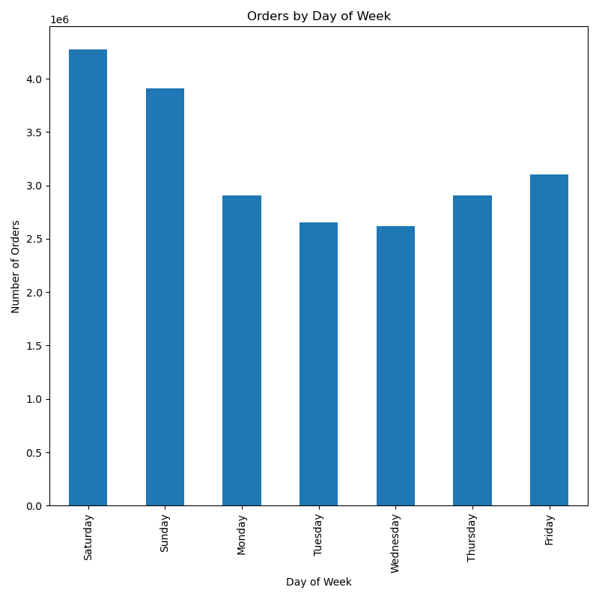

Commentary:Saturday and Sunday are the busiest days of the week, while Tuesday and Wednesday are the least busy. Most orders occur between 9 AM and 4 PM, with the highest volume happening from 10 AM to 11 AM.

2.Instacart has a lot of products with different price tags. Marketing and sales want to use simpler price range groupings to help direct their efforts.

df_ords_prods_merge.loc[df_ords_prods_merge['prices'] > 15, 'price_range_loc'] = 'High-range product'
df_ords_prods_merge.loc[(df_ords_prods_merge['prices'] <= 15) & (df_ords_prods_merge['prices'] > 5), 'price_range_loc'] = 'Mid-range product'
df_ords_prods_merge.loc[df_ords_prods_merge['prices'] <= 5, 'price_range_loc'] = 'Low-range product'
Commentary: The loc[] function has been used to create simpler price range groupings to help marketing and sales team.

3.Are there certain types of products that are more popular than others?

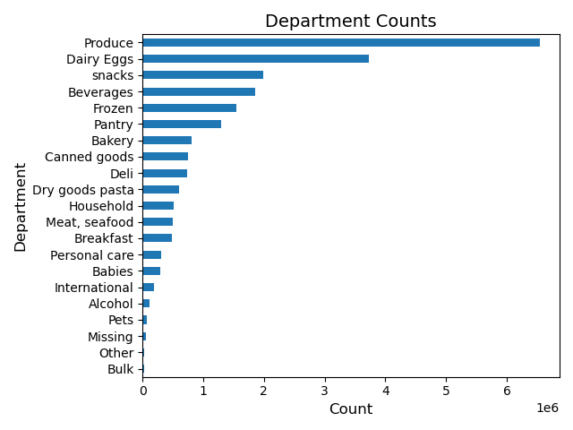

Commentary:Produce, Dairy/Eggs, Snacks,Beverages and Frozen are the top five most popular products.

4.What’s the distribution among users in regards to their brand loyalty (i.e., how often do they return to Instacart)?

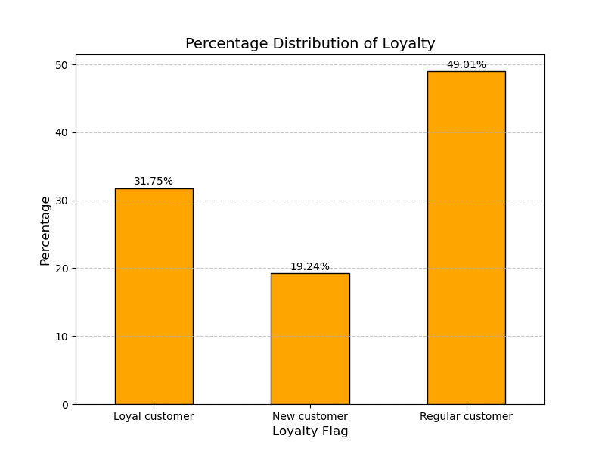
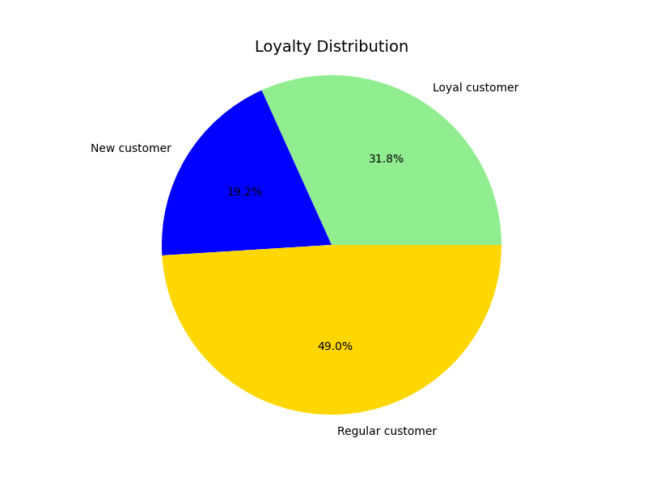

Commentary: Customers are categorized into three groups based on their loyalty flag: new, loyal, and regular customers.

Loyal customers (49%): This group consist of customers who have made more than 40 purchases. They demonstrate the highest level of brand loyalty, suggesting a strong connection with the company. The group is likely highly satisfied with the brand and continues to choose it over competitors.

Regular customers (31.8%): This group consists of customers who have made between 11 and 40 orders. While they show a moderate level of brand loyalty, they may not be as committed as loyal customers. These customers engage with the brand regularly but might be more inclined to explore other options, indicating potential for growth in their loyalty.

New customers (19.2%): Customers in this category have made 10 or fewer purchases. They are just starting their relationship with the brand, so their loyalty is still developing. These consumers are more likely to be exploring their options, and the brand has the opportunity to nurture this group and convert them into regular or loyal customers.

5.Are there differences in ordering habits based on a customer’s loyalty status?

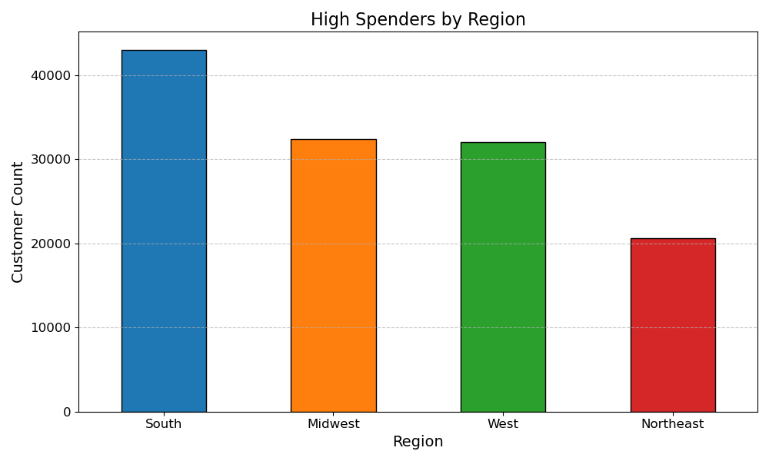
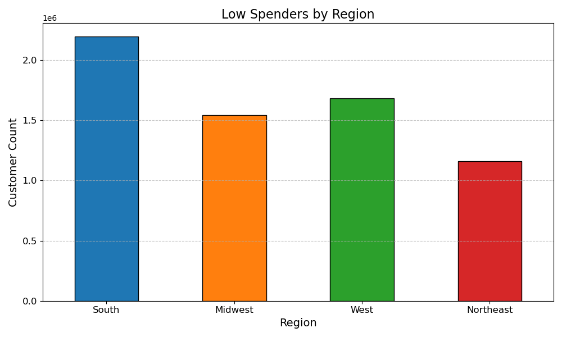

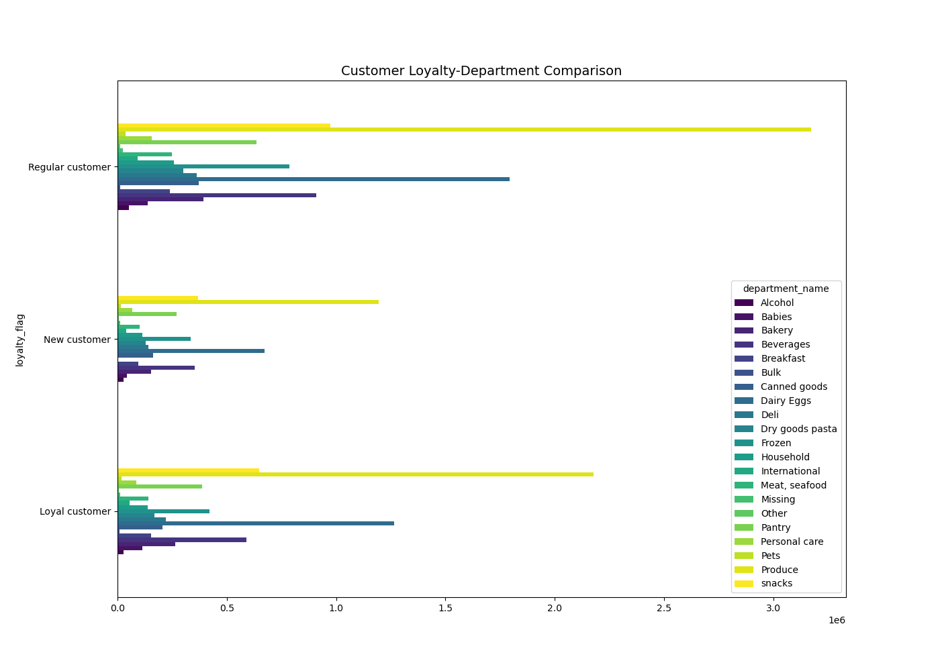

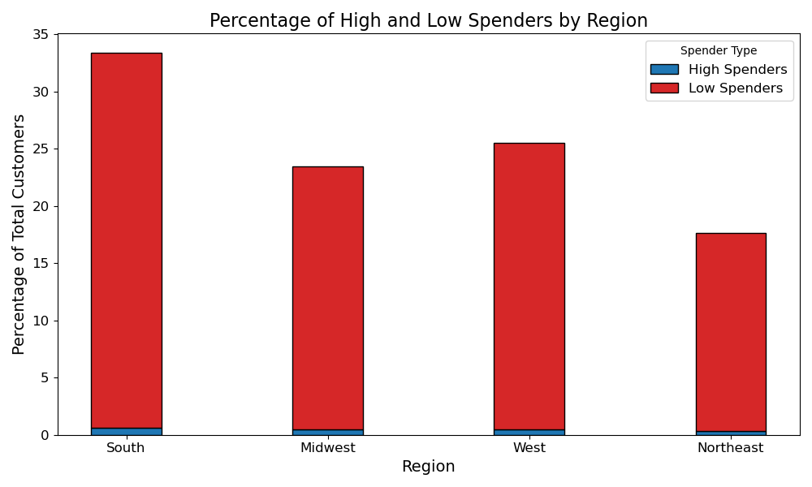

Commentary: The majority of customers, regardless of their loyalty status, tend to be low spenders. Additionally, the most popular products remain consistent across all three customer groups.

6.Are there differences in ordering habits based on a customer’s region?

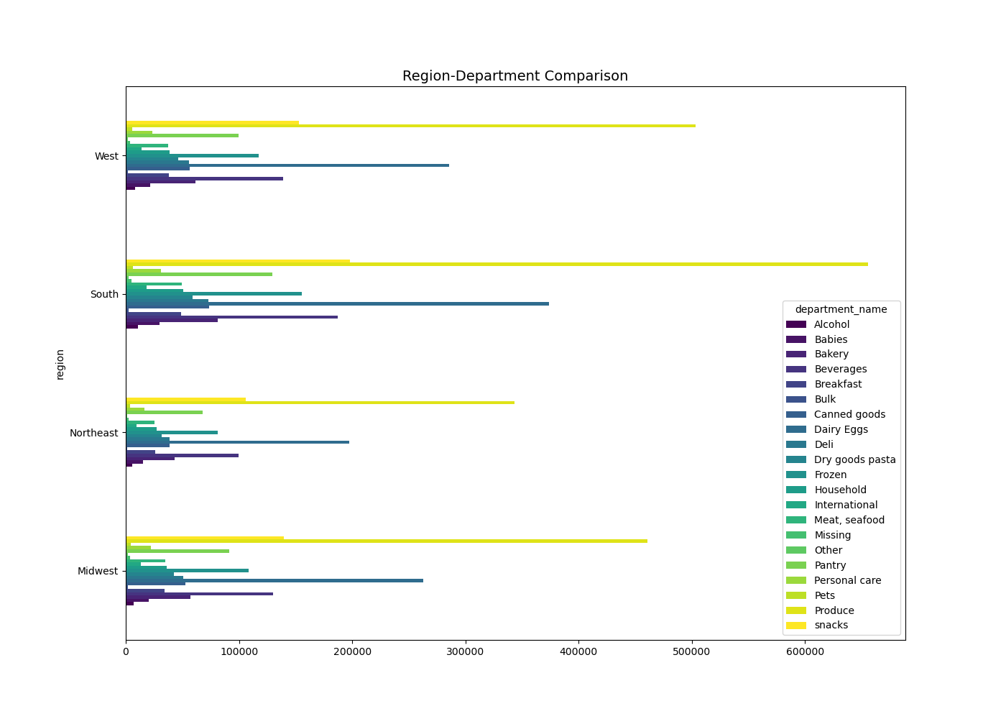

South: The region exhibits the greatest contrast between high and low spenders, reflecting its economic disparities. Businesses must tailor strategies to address both affluent consumers and those in less prosperous areas, ensuring relevance across the spectrum.

Midwest: With moderate spending levels and minimal variation, the Midwest showcases economic stability. Marketing efforts should focus on themes of reliability and consistency to resonate with the region's dependable spending patterns.

West: Characterized by a significant presence of both high and low spenders, the West mirrors a diverse economic landscape. Marketing strategies should target both high-income individuals seeking premium products and budget-conscious consumers prioritizing affordability.

Northeast: This region has the lowest proportion of both high and low spenders, indicating generally restrained spending habits. The higher cost of living and potential economic challenges suggest that businesses should highlight value and affordability in their messaging to appeal to consumers.

7.Is there a connection between age and family status in terms of ordering habits?

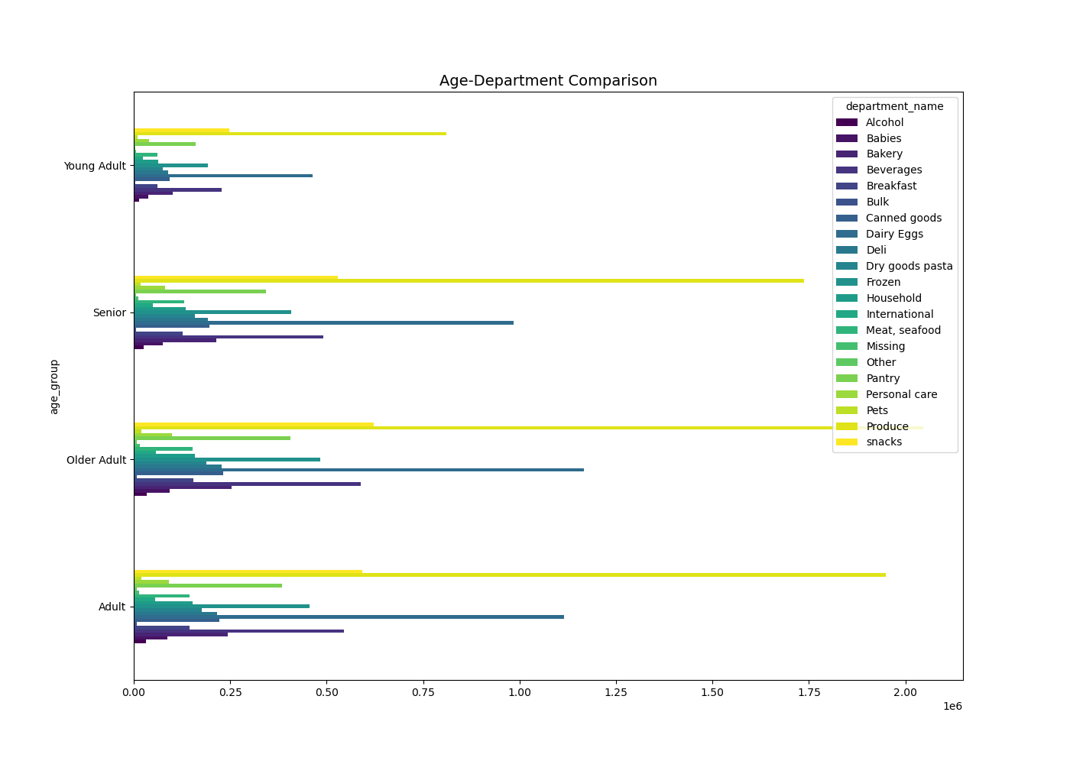
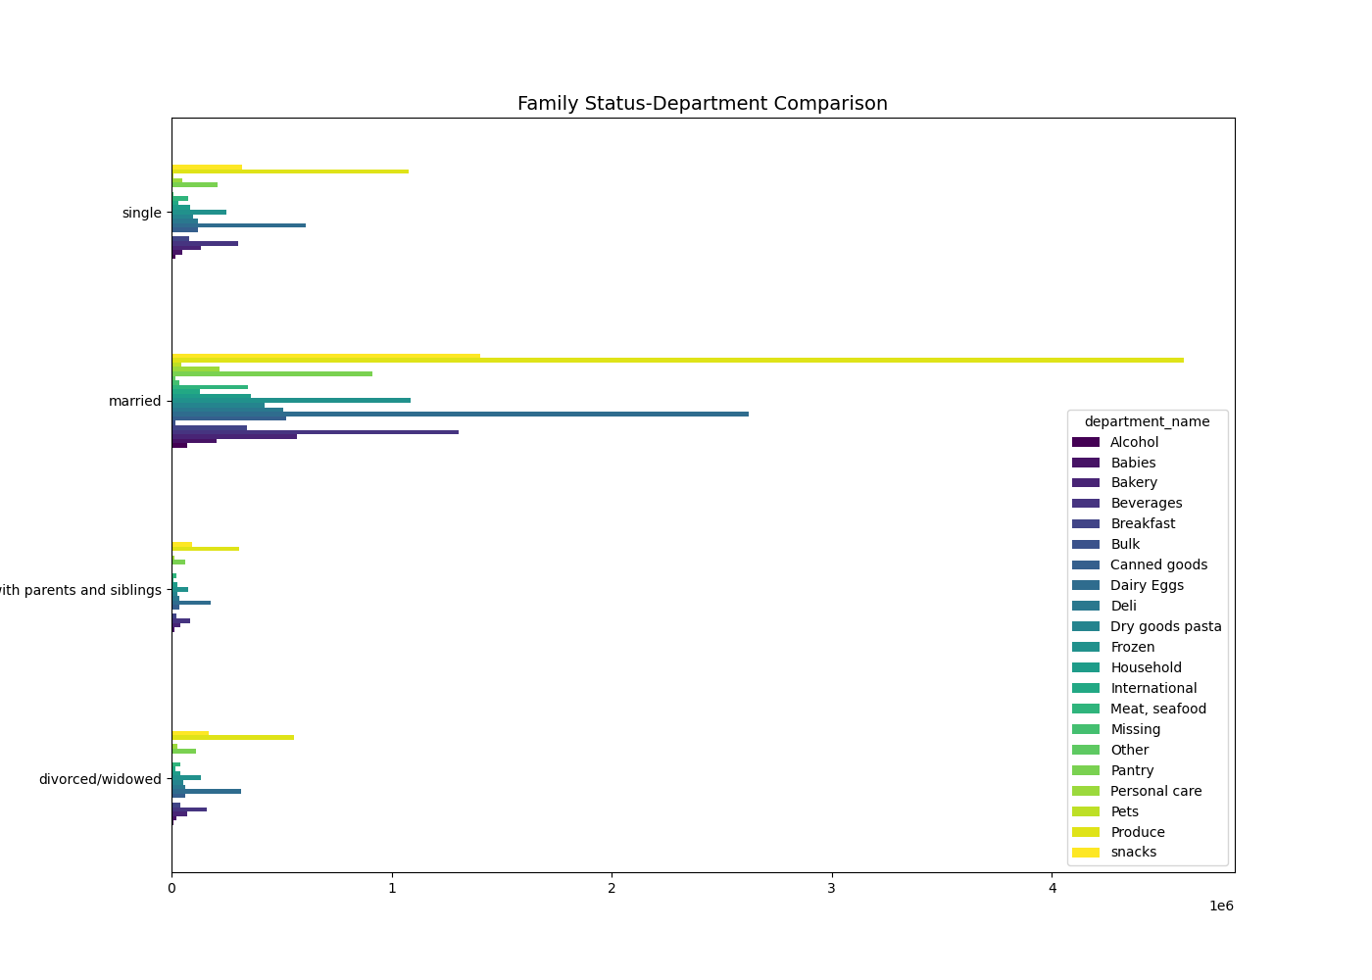

8. What different classifications does the demographic information suggest? Age? Income? Certain types of goods? Family status?

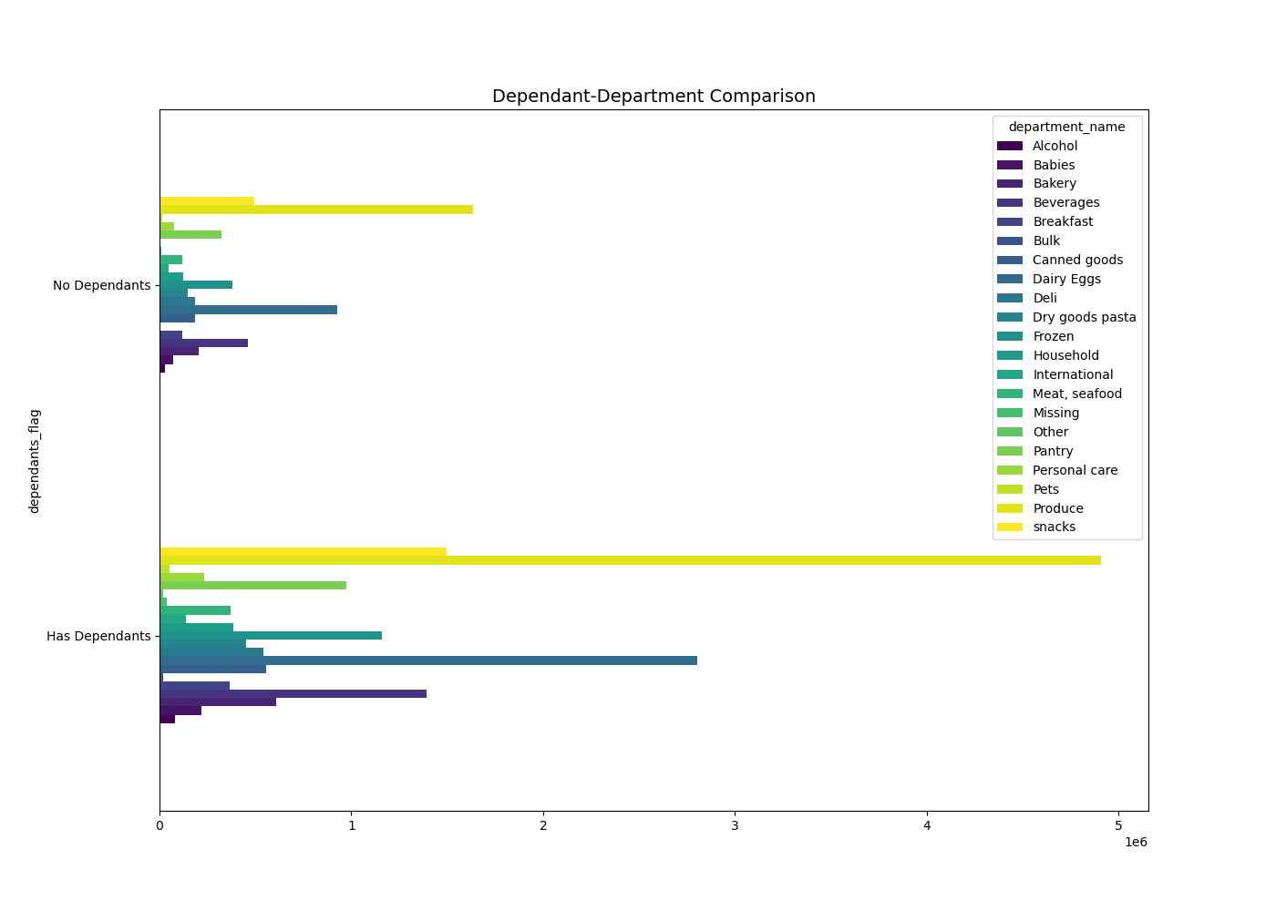

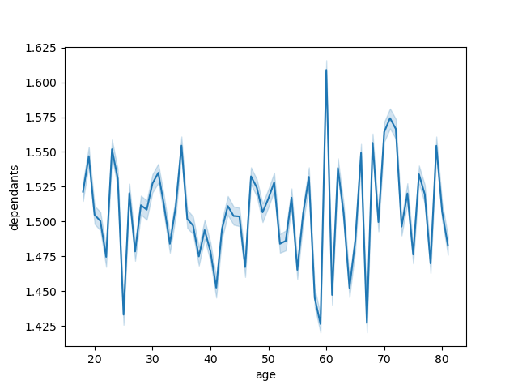

Commentary: Most of the customers are adults and older adults, 45-65 years, married, and with dependants. However, the line chart does not show a direct relationship between age and the number of dependants.

8.What differences can you find in ordering habits of different customer profiles? Consider the price of orders, the frequency of orders, the products customers are ordering, and anything else you can think of.

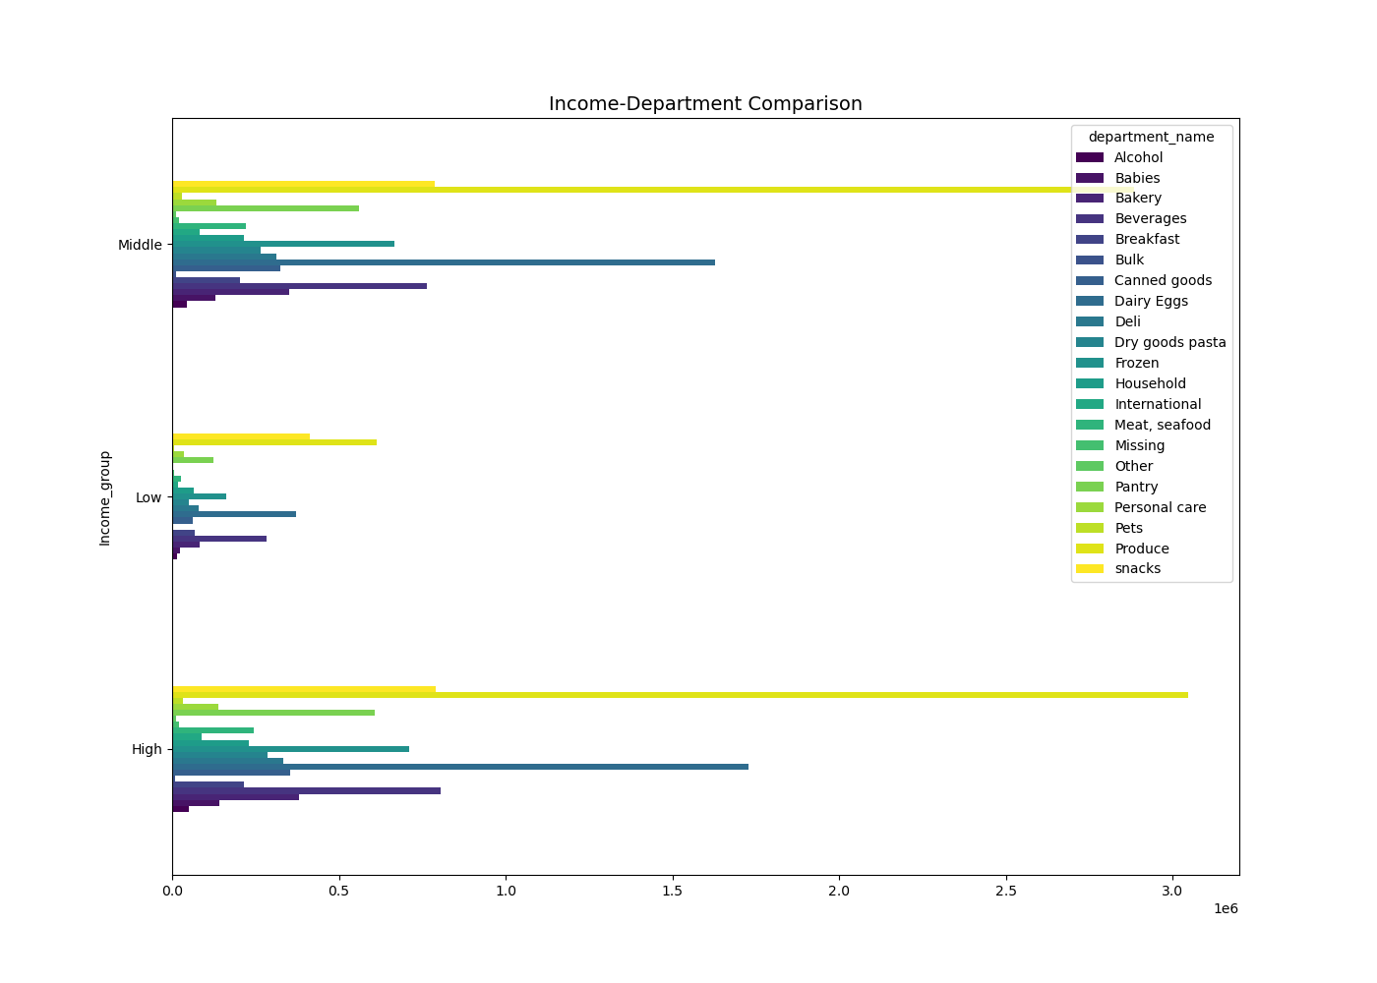



This scatterplot shows the distribution of incomes across different age groups. The major density of the incomes, ranging from $0 to $200,000, cuts across the different age groups. However, there is a slight lean toward the higher densities within the ranges of $200,000 and $300,000 in the 40+ group. Though all groups contain some values of income between $200,000 and $400,000, most values within the $300,000 to $600,000 range fall within the 40+ group. That would suggest that in general, with age, there is an increase in income but with noticeable variations and outliers. People tend to buy more products for larger households: people with dependants spend more on personal care.

7. Recommendations
 |  |  | Title page

Recommendations

In this tab you should include any recommendations you would made to Instcart in terms of their marketing strategy based on the questions posed in the brief. Every key question has been covered in the Tasks of the Exercises - here you need to add an item - a visualisation or table/crosstable that is showing the answer in the data, acompanied by a comment from you. Please, list the questions below and add the answer underneath.

Question | Answer | Recommendations
What are the busiest days of the week and hours of the day (i.e., the days and times with the most orders), and how can this information be used to schedule ads during times with fewer orders? | Commentary:Saturday and Sunday are the busiest days of the week, while Tuesday and Wednesday are the least busy. Most orders occur between 9 AM and 4 PM, with the highest volume happening from 10 AM to 11 AM. | In order to maximize ad schedules and generate ad-related engagement in periods of low traffic traffic, ad should be given a higher rank when activity is lower. OnTuesdays and Wednesdays the ads are to be scheduled in the morning between 6 9am and in the evening between 4 9pm. By this technique ads also may attract the customers and can raise the numbers of orders on the nonpeak hours without putting on additional burdens in the peak hours. Also, ads are to be placed during weekend nonpeak times, e.g., early morning (6-9 AM) or evening (5-9 PM)This can be complemented by advertising "limited time only" offers that are specific for these nonpeak hours. For instance, it may add a "Midweek Discount" on Tuesdays and Wednesdays in the event that they are the least busy days. Or "Midweek Meal Deal", after 4 PM, Tuesdays and Wednesday. These limited-time promotions may induce the feeling of urgency and promote sale of products during periods of low activity.
Are there certain types of products that are more popular than others? | The top five most popular product categories are Produce, Dairy/Eggs, Snacks, Beverages, and Frozen. | Having enough stock and working well with suppliers plays a key role in keeping up with high demand in areas like produce, dairy/eggs, snacks, drinks, and frozen foods. Keeping steady stock levels matters a lot for items that go bad like dairy and produce. These items require careful handling to maintain their freshness and uphold their quality. By building strong ties with suppliers, stores can avoid running out of items and make restocking smoother. To please different customer tastes, it's crucial to offer a wide range of products in each group. For example, adding more choices in the frozen section or including organic options with the produce can bring in more shoppers. Also, using holiday deals and following seasonal trends can boost sales a lot. Offering products that fit the season or holiday themes.
What’s the distribution among users in regards to their brand loyalty (i.e., how often do they return to Instacart)? | df_ords_prods_merge['max_order'] = df_ords_prods_merge.groupby(['user_id'])['order_number'].transform(np.max)ords_prods_merge.loc[ords_prods_merge['max_order'] > 40, 'loyalty_flag'] = 'Loyal customer' ords_prods_merge.loc[(ords_prods_merge['max_order'] <= 40) & (ords_prods_merge['max_order'] > 10), 'loyalty_flag'] = 'Regular customer' ords_prods_merge.loc[ords_prods_merge['max_order'] <= 10, 'loyalty_flag'] = 'New customer' | Customers are categorized into three groups based on their loyalty flag: new, loyal, and regular customers. Loyal customers (49%): This group consist of customers who have made more than 40 purchases. They demonstrate the highest level of brand loyalty, suggesting a strong connection with the company. The group is likely highly satisfied with the brand and continues to choose it over competitors. Regular customers (31.8%): This group consists of customers who have made between 11 and 40 orders. While they show a moderate level of brand loyalty, they may not be as committed as loyal customers. These customers engage with the brand regularly but might be more inclined to explore other options, indicating potential for growth in their loyalty. New customers (19.2%): Customers in this category have made 10 or fewer purchases. They are just starting their relationship with the brand, so their loyalty is still developing. These consumers are more likely to be exploring their options, and the brand has the opportunity to nurture this group and convert them into regular or loyal customers. These figures highlight significant growth potential by implementing the right strategies to engage regular and new customers. Conducting further research could provide valuable insights into understanding their needs, preferences, and barriers to loyalty. This information can then be leveraged to develop targeted strategic plans aimed at enhancing the engagement and retention of these customer segments, ultimately converting them into loyal, long-term clients.
Are there differences in ordering habits based on a customer’s loyalty status? | The majority of customers, regardless of their loyalty status, tend to be low spenders. Additionally, the most popular products remain consistent across all three customer groups. | Instacart can react to the trend of low-spending customers through tiered promotions, product bundling, and subscription options. Tiered promotions, like "Spend $25 and get $5 off" or "Buy 4, pay for 2," encourage higher spending by rewarding larger orders. Bundling popular products at value prices encourages customers to buy more while simplifying their choices. Subscription options for frequently purchased items can boost order frequency and foster loyalty through convenience. These altogether will help in increasing the average order value and enhancing customer engagement.
Are there differences in ordering habits based on a customer’s region? | South: The region exhibits the greatest contrast between high and low spenders, reflecting its economic disparities. Businesses must tailor strategies to address both affluent consumers and those in less prosperous areas, ensuring relevance across the spectrum. Midwest: With moderate spending levels and minimal variation, the Midwest showcases economic stability. Marketing efforts should focus on themes of reliability and consistency to resonate with the region's dependable spending patterns. West: Characterized by a significant presence of both high and low spenders, the West mirrors a diverse economic landscape. Marketing strategies should target both high-income individuals seeking premium products and budget-conscious consumers prioritizing affordability. Northeast: This region has the lowest proportion of both high and low spenders, indicating generally restrained spending habits. The higher cost of living and potential economic challenges suggest that businesses should highlight value and affordability in their messaging to appeal to consumers. | Marketing strategies should align with regional customer profiles to ensure campaigns are both effective and relevant. The economic disparities in the South require strategies for both high- and low-income consumers. In the Midwest, stable spending patterns favor consistent and reliable messaging. The West has a diverse economic landscape that needs to target both premium product seekers and budget-conscious buyers. The Northeast is a region where spending is more restrained, and therefore, value-for-money and affordability need to be emphasized. Tailoring strategies to each region ensures better engagement and relevance.
Is there a connection between age and family status in terms of ordering habits? | Commentary: Most of the customers are adults and older adults, 45-65 years, married, and with dependants. However, the line chart does not show a direct relationship between age and the number of dependants. | Instacart officers could increase customer engagement through targeting by age groups, particularly in the 45-65 age brackets, and married with dependents as targets for service campaigns that involve families.
What differences can you find in ordering habits of different customer profiles? Consider the price of orders, the frequency of orders, the products customers are ordering, and anything else you can think of. | This scatterplot shows the distribution of incomes across different age groups. The major density of the incomes, ranging from $0 to $200,000, cuts across the different age groups. However, there is a slight lean toward the higher densities within the ranges of $200,000 and $300,000 in the 40+ group. Though all groups contain some values of income between $200,000 and $400,000, most values within the $300,000 to $600,000 range fall within the 40+ group. That would suggest that in general, with age, there is an increase in income but with noticeable variations and outliers. People tend to buy more products for larger households: people with dependants spend more on personal care. Interestingly, people tend not to buy in bulk, regardless of their income. | It is recommended that Instacart consider offering personalized product bundles or targeted promotions to encourage bulk buying, especially for larger households and people with dependents. Since the trend is not to buy in bulk, convenience and cost-saving benefits of bulk purchases should be highlighted to change the trend. Moreover, offering customized discounts or other incentives for bulk purchases could attract a broader range of customers, even among those who avoid bulk buying.

